Stastics question
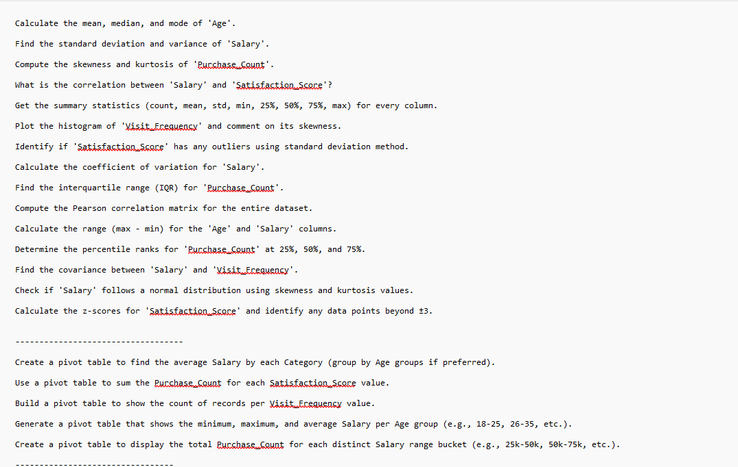

Q-6
Histogram
Bin | Frequency
1 | 6
2.8 | 4
4.6 | 15
6.4 | 10
8.2 | 7
10 | 10
11.8 | 3
13.6 | 14
15.4 | 4
17.2 | 16
More | 11

 |  | Skewness | Histogram of visit shows right skewed

